Flowchart
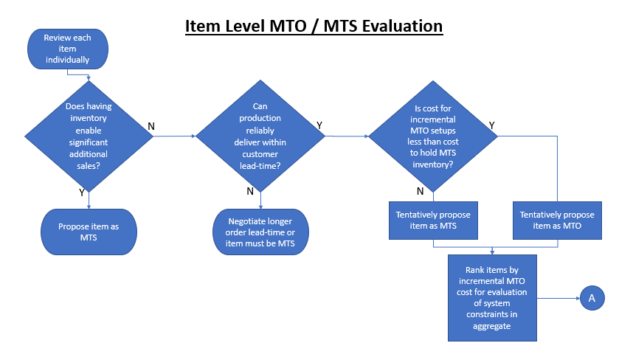

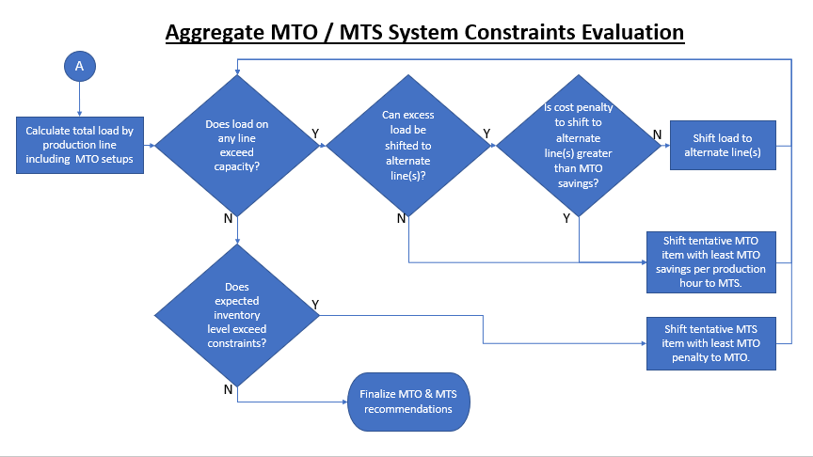

For assistance contact Shive Supply Chain Solutions LLC at info@shivesupplychainsolutions.com or call 1-877-65-SHIVE

